Sheet1
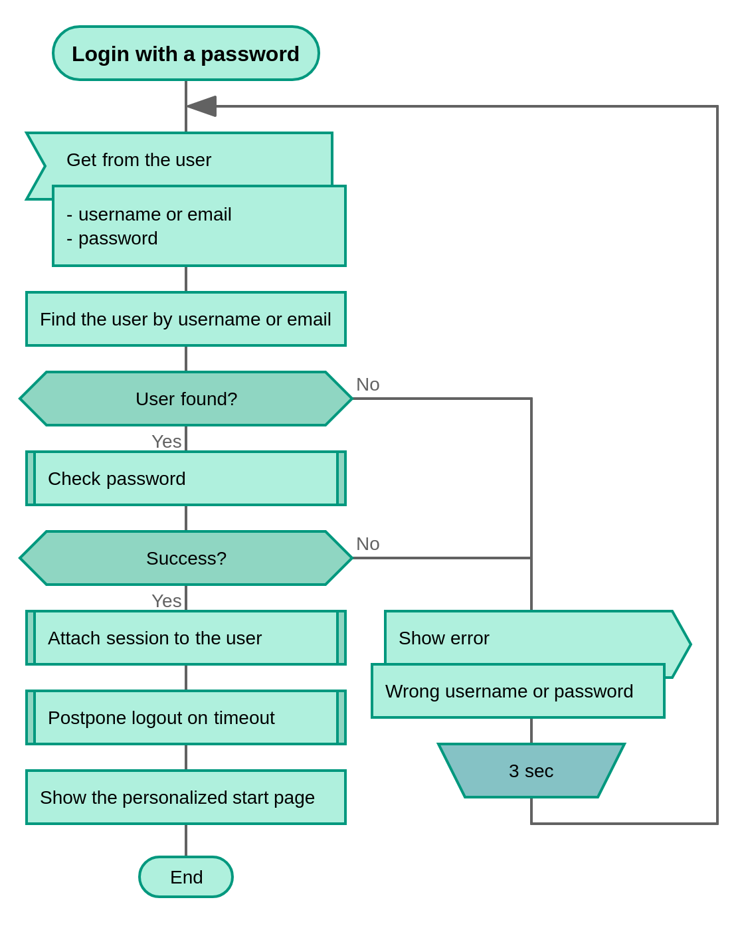

scenario 1 | valid credentials
scearnio 2 | invalid credentials
scenario 3 | blank credentials
scenario 4 | forgot password

Sheet2
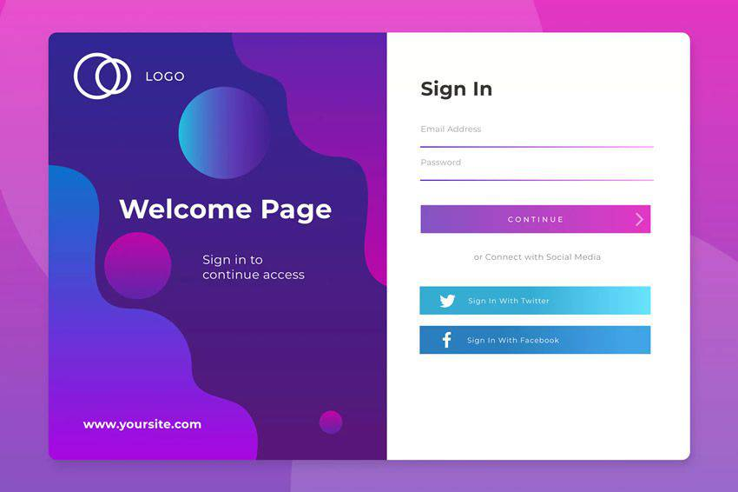
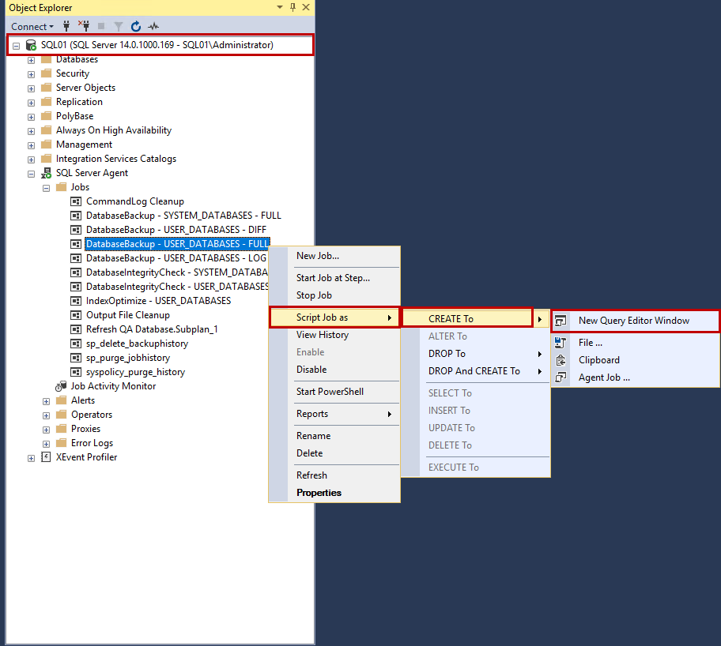

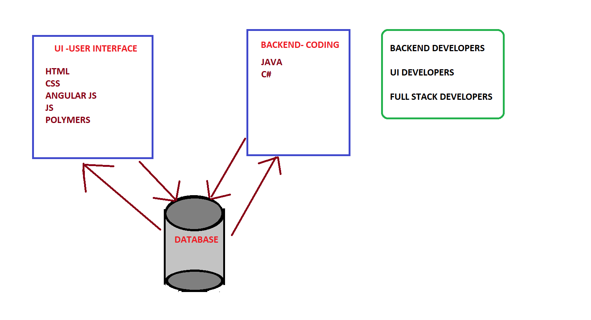
 | DEVELOPER

UI DEVELOPER |  | BACKEND DEVELOPER

